Map
Register file
Directly bit-accessible using the SBI and CBI.
In these registers, the value of single bits can be checked by using the SBIS and SBIC instructions.
Flash (Program FLash memory) [32K] |  |  | EEPROM [1K] |  |  |  |  | SRAM/User Data Space/ Data memory [2K] |  |  |  |  |  |  |  |  |  | 32 x 8 General Purpose Registrers
 |  |  |  |  |  |  |  |  | x7H | x6H | x5H | x4H | x3H | x2H | x1H | x0H
Application Program section |  |  |  |  |  |  |  |  | xFH | xEH | xDH | xCH | xBH | xAH | x9H | x8H
 |  |  |  | Prescaler | OC2A |  | OC0B | 07H | R7 | R6 | R5 | R4 | R3 | R2 | R1 | RO | 00H
 | SPM instruction |  |  | Int. Mode | OC2B | Noise Canceler | OC0A | 0FH | R15 | R14 | R13 | R12 | R11 | R10 | R9 | R8 | 08H
 |  |  |  | PWM[1] | TCCR2B | TCCR1B | TCCR0B | 17H | R23 | R22 | R21 | R20 | R19 | R18 | R17 | R16 | 10H
 |  |  |  |  |  |  |  | 1FH | R31 | R30 | R29 | R28 | R27 | R26 | R25 | R24 | 18H
 |  |  |  |  |  | T1 overfl. |  | 27H | DDRC | PINC | PORTB | DDRB | PINB | – | – | – | 20H
 |  |  |  |  | T2 overfl. | OCR1A[16bit] | T0 overfl. | 2FH | – | – | – | – | PORTD | DDRD | PIND | PORTC | 28H
 |  |  |  |  | OCR2A[16bit] | OCR1B[16bit] | OCR0A | 37H | TIFR2 | TIFR1 | TIFR0 | – | – | – | – | – | 30H
Standard I/O Memory
(64 I/O Registers)
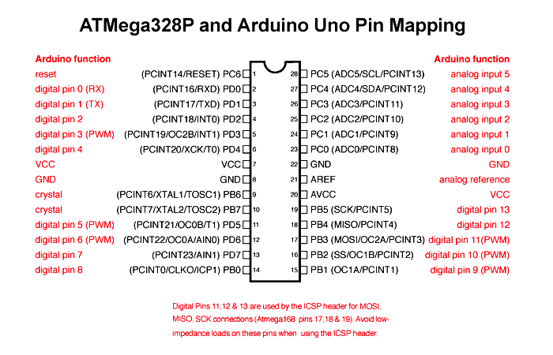
 |  |  |  |  | OCR2B[16bit] | Input Cap Flag | OCR0B | 3FH | EECR | GPIOR0 | EIMSK | EIFR | PCIFR | – | – | – | 38H
 |  |  |  | Int. Flag | TIFR2 | TIFR1 | TIFR0 | 47H | OCR0A | TCNT0 | TCCR0B | TCCR0A | GTCCR | EEARH | EEARL | EEDR | 40H
 |  |  |  |  |  |  |  | 4FH | – | SPDR | SPSR | SPCR | GPIOR2 | GPIOR1 | – | OCR0B | 48H
 |  |  |  | PWM Int. | OC2B | OC1B | OC0B | 57H | SPMCSR | – | MCUCR | MCUSR | SMCR | – | – | ACSR | 50H
 |  |  |  | OC pins | OC2A | OC1A | OC0A | 5FH | SREG | SPH | SPL | – | – | – | – | – | 58H
 |  |  |  | PWM[1] | TCCR2A | TCCR1A | TCCR0A | 67H | – | OSCCAL | – | PRR | – | – | CLKPR | WDTCSR | 60H
 |  |  |  |  |  |  |  | 6FH | TIMSK1 | TIMSK0 | PCMSK2 | PCMSK1 | PCMSK0 | – | EICRA | PCICR | 68H
 |  |  |  |  |  |  |  | 77H | – | – | – | – | – | – | – | TIMSK2 | 70H
 |  |  |  |  | T2 overfl. | T1 overfl. | T0 overfl. | 7FH | DIDR1 | DIDR0 | – | ADMUX | ADCSRB | ADCSRA | ADCH | ADCL | 78H
 |  |  |  |  | OCR2A[16bit] | OCR1A[16bit] | OCR0A | 87H | ICR1H | ICR1L | TCNT1H | TCNT1L | – | TCCR1C | TCCR1B | TCCR1A | 80H
 |  |  |  |  | OCR2B[16bit] | OCR1B[16bit] | OCR0B | 8FH | – | – | – | – | OCR1BH | OCR1BL | OCR1AH | OCR1AL | 88H
Boot Program section |  |  |  | Int. Enable | TIMSK2 | TIMSK1 | TIMSK0 | 97H | – | – | – | – | – | – | – | – | 90H
 |  |  |  |  |  |  |  | 9FH | – | – | – | – | – | – | – | – | 98H
 |  | 3FFF |  |  |  |  |  | A7H | – | – | – | – | – | – | – | – | A0H
Extended I/O Memory
(160 I/O Registers)
 |  |  |  |  |  |  |  | AFH | – | – | – | – | – | – | – | – | A8H
 |  |  |  |  |  |  |  | B7H | – | ASSR | – | OCR2B | OCR2A | TCNT2 | TCCR2B | TCCR2A | B0H
 |  |  |  |  |  |  |  | BFH | – | – | TWAMR | TWCR | TWDR | TWAR | TWSR | TWBR | B8H
 |  |  |  |  |  |  |  | C7H | – | UDR0 | UBRR0H | UBRR0L | – | UCSR0C | UCSR0B | UCSR0A | C0H
 |  |  |  |  |  |  |  | CFH | – | – | – | – | – | – | – | – | C8H
Program Counter is 14 bits wide |  |  |  |  |  |  |  | D7H | – | – | – | – | – | – | – | – | D0H
 |  |  |  |  |  |  |  | DFH | – | – | – | – | – | – | – | – | D8H
 |  |  |  |  |  |  |  | E7H | – | – | – | – | – | – | – | – | E0H
 |  |  |  |  |  |  |  | EFH | – | – | – | – | – | – | – | – | E8H
 |  |  |  |  |  |  |  | F7H | – | – | – | – | – | – | – | – | F0H
 |  |  |  |  |  |  |  | FFH | – | – | – | – | – | – | SPL | SPH | F8H

and the next 2048 locations address the internal data SRAM.

 |  |  |  |  |  |  |  |  |  | Extended I/O space, only the ST/STS/STD and LD/LDS/LDD instructions can be used
 |  |  |  |  |  |  |  |  |  | X-Register
 |  |  |  |  |  |  |  |  |  | Y-Register
 |  |  |  |  |  |  |  |  |  | Z-Register

 |  |  |  |  |  |  |  |  | [x] Indicates bit

